Conceptual Representation
IV-MBM EQP v2.1 - An equilibrium partitioning-based mass balance distribution model for in vitro test systems
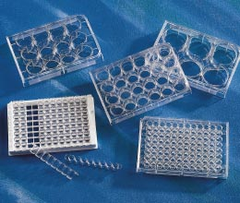


 | Simulates the distribution of neutral
 | organic chemicals in in vitro toxicity
 | test systems

 | Calculates chemical activity in
 | system at equilibrium

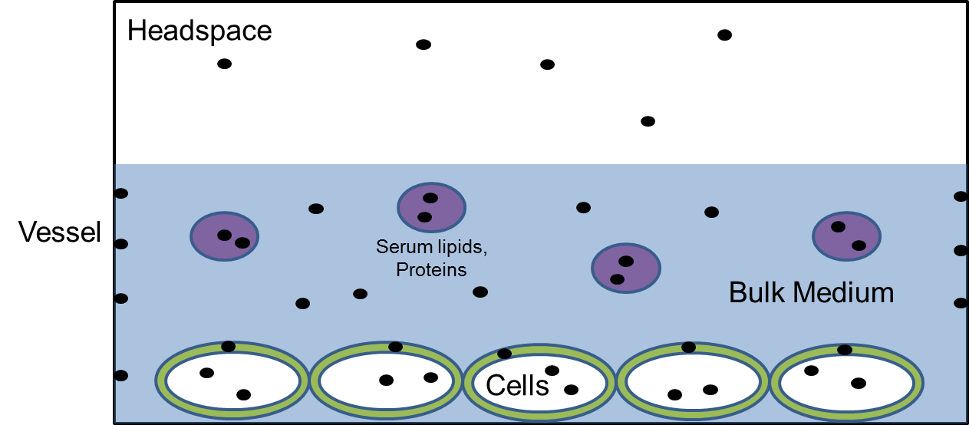
 |  | Key Phys-Chem Properties
 |  | KOW | Octanol-water partitioning
 |  | KSlW | Storage lipid-water partitioning
 |  | KMW | Membrane-water partitioning
 |  | KSaW | Serum albumin-water partitioning
 |  | KAW | Air-water partitioning
 |  | CSAT,W | Water solubility
 |  | IOC type | Neutral (N), acid (A), base (B)
 |  | pKa | Dissociation contant

